GPU estimates
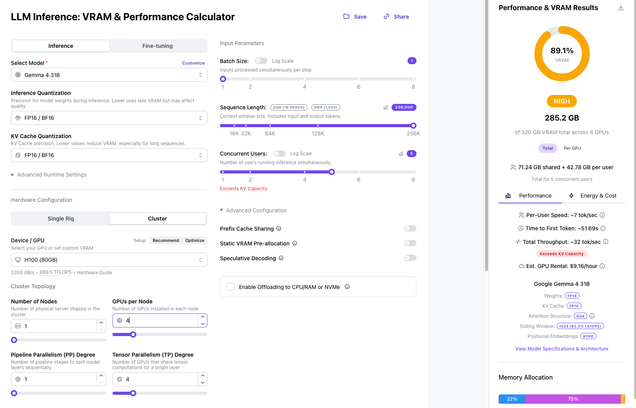
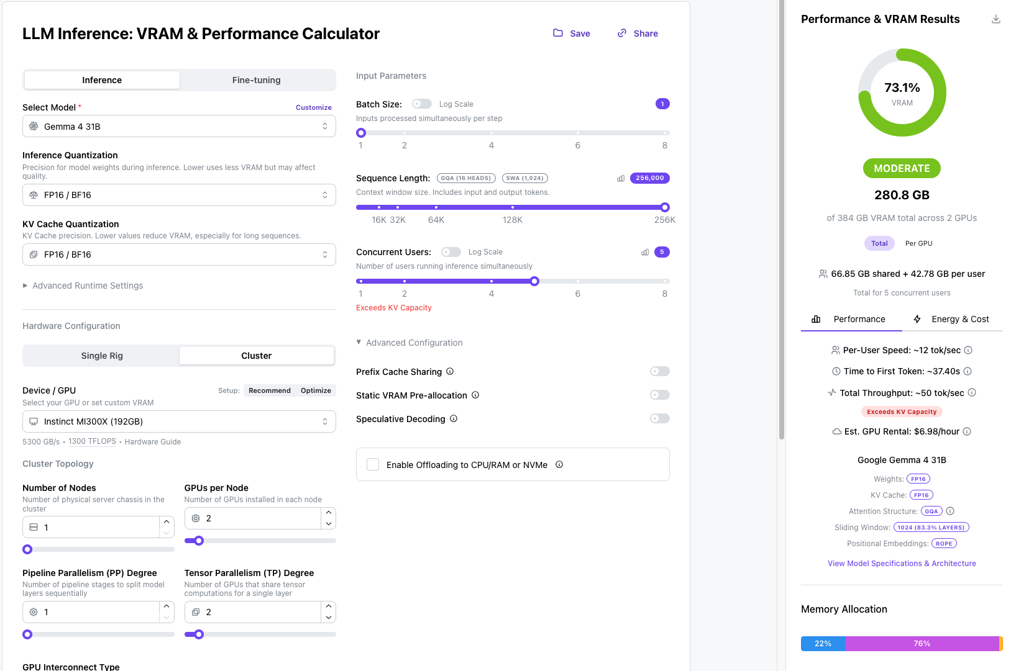
 |  | NVIDIA Accelerator | Accelerator Count | Min Accelerator Count |  | AMD Accelerator | Accelerator Count | Min Accelerator Count
Dev |  | A30 | 4 | 4 |  | MI350P | 2 | 2

 |  | NVIDIA Accelerator | Accelerator Count | Min Accelerator Count |  | AMD Accelerator | Accelerator Count | Min Accelerator Count
Staging |  | H100 | 8 | 4 |  | MI350P | 4 | 2
 |  | L4 | 2
 |  | L40 | 4

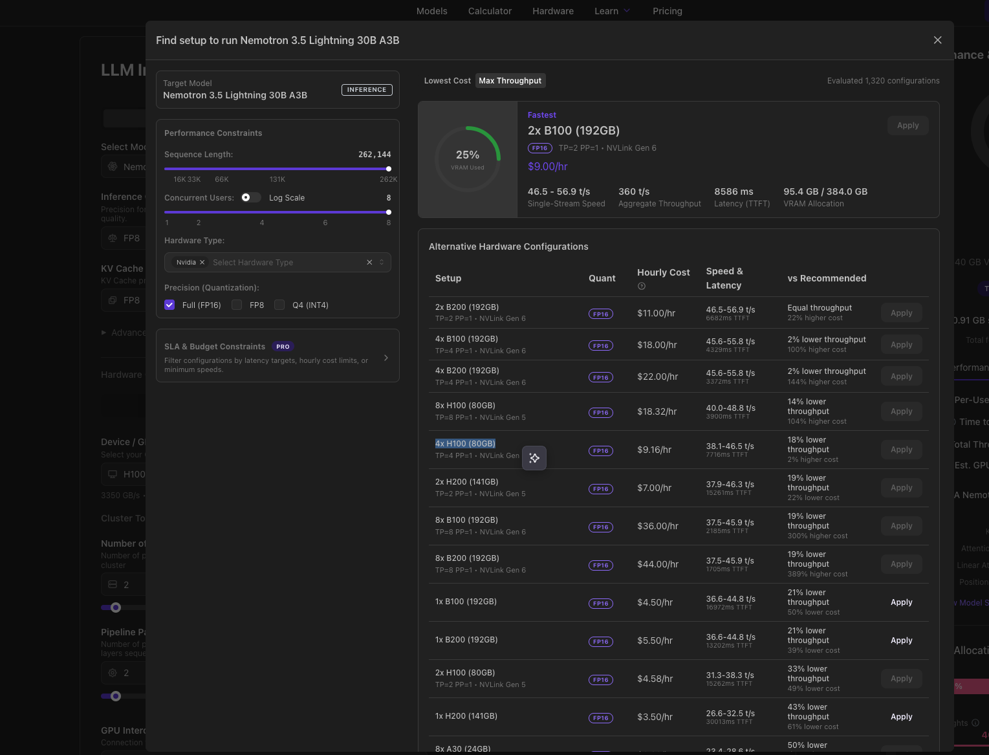
Prod | OpenRouter integration |  |  |  |  |  |  |  |  | NVIDIA Nemotron 3.5 Lightning 30B A3B
 | NVIDIA Nemotron 3.5 Lightning 30B A3B
 | BF16
 | 8 concurrent users
 | 262k context length
 |  | NVIDIA Accelerator | Accelerator Count | Min Accelerator Count |  | AMD Accelerator | Accelerator Count | Min Accelerator Count
 |  | H100 | 8 | 6 | (NVLINK, TP=4, PP=1) |  |  |  | Used CoreWeave's metrics as a reference point

 | GLM 5.3 Flash
 | NVFP4
 | 8 concurrent users
 | 262k context length
 |  | NVIDIA Accelerator | Accelerator Count | Min Accelerator Count |  | AMD Accelerator | Accelerator Count | Min Accelerator Count | Used CoreWeave's metrics as a reference point
 | Option 1 |  |  |  |  | MI350P | 4 | 2
 |  |  |  |  | OR
 | Option 2 | H100 | 6 | 4 | (NVLINK, TP=4, PP=1)
 |  |  |  |  | OR
 | Option 3 | L40S | 10 | 8 | (TP=4, PP=2)

 | Model Inferencing - IAD
 | Gemma 4 31B
 | BF16
 | 5 concurrent users
 | 262k context length
 | 10 user accounts. 50-50 split between NVIDIA and AMD |  |  |  |  |  |  |  |  | GLM Flash 5.3
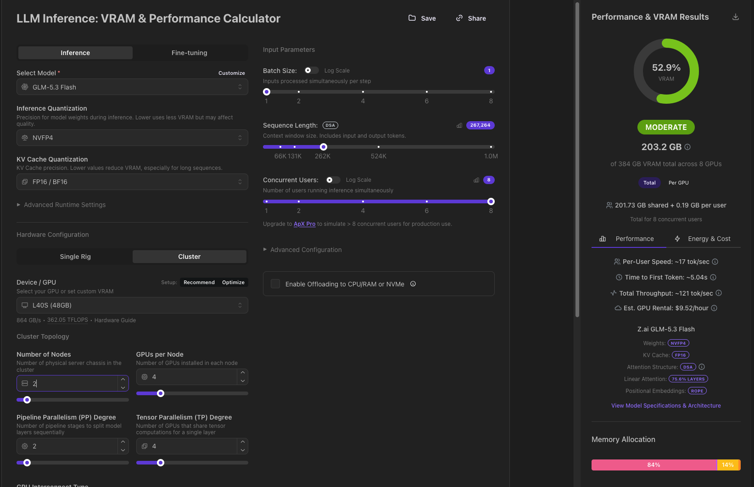
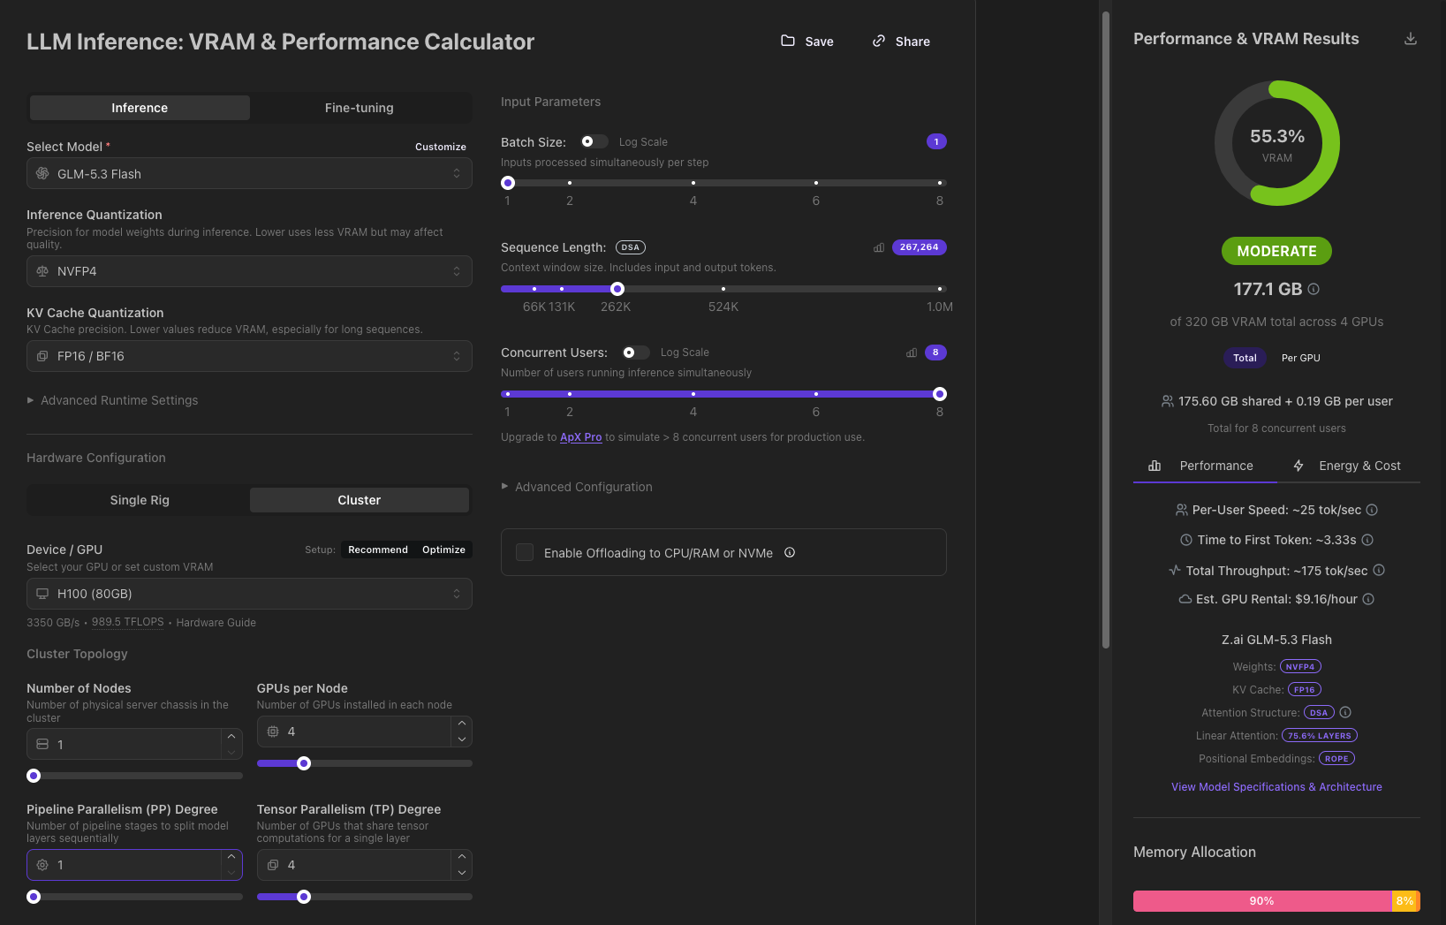
 |  | NVIDIA Accelerator | Accelerator Count | Min Accelerator Count |  | AMD Accelerator | Accelerator Count | Min Accelerator Count
 |  | H100 | 26 | 20 |  | MI350P | 12 | 10

 | Model Inferencing - DFW
 | Gemma 4 31B
 | BF16
 | 5 concurrent users
 | 262k context length
 | 10 user accounts. 50-50 split between NVIDIA and AMD

 |  | NVIDIA Accelerator | Accelerator Count | Min Accelerator Count |  | AMD Accelerator | Accelerator Count | Min Accelerator Count
 |  | H100 | 26 | 20 |  | MI350P | 12 | 10

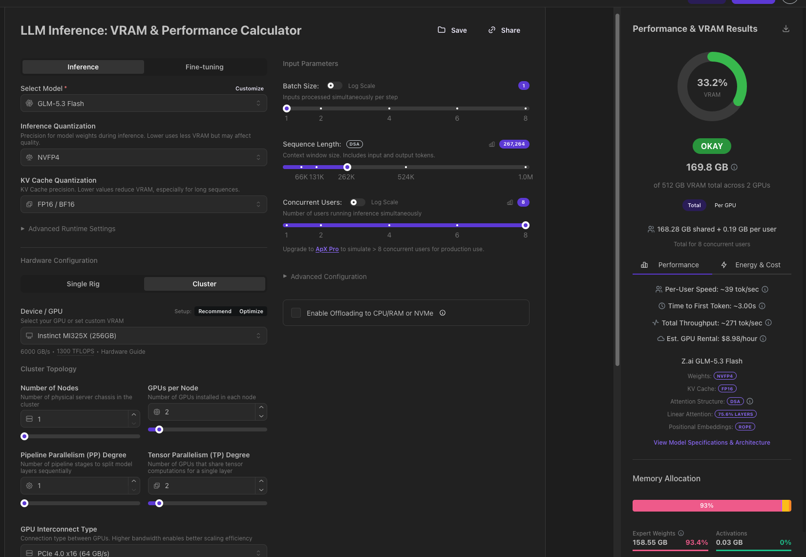

References: https://openrouter.ai/z-ai/glm-5.3-flash?endpoint=107375f6-fb9f-4dd5-bbdf-fa7957caabab#providers
 | https://apxml.com/tools/vram-calculator?model=glm-53-flash&quant=fp16&seqLen=267264

 |  |  |  |  |  |  |  |  |  | Gemma 4

